assignment04
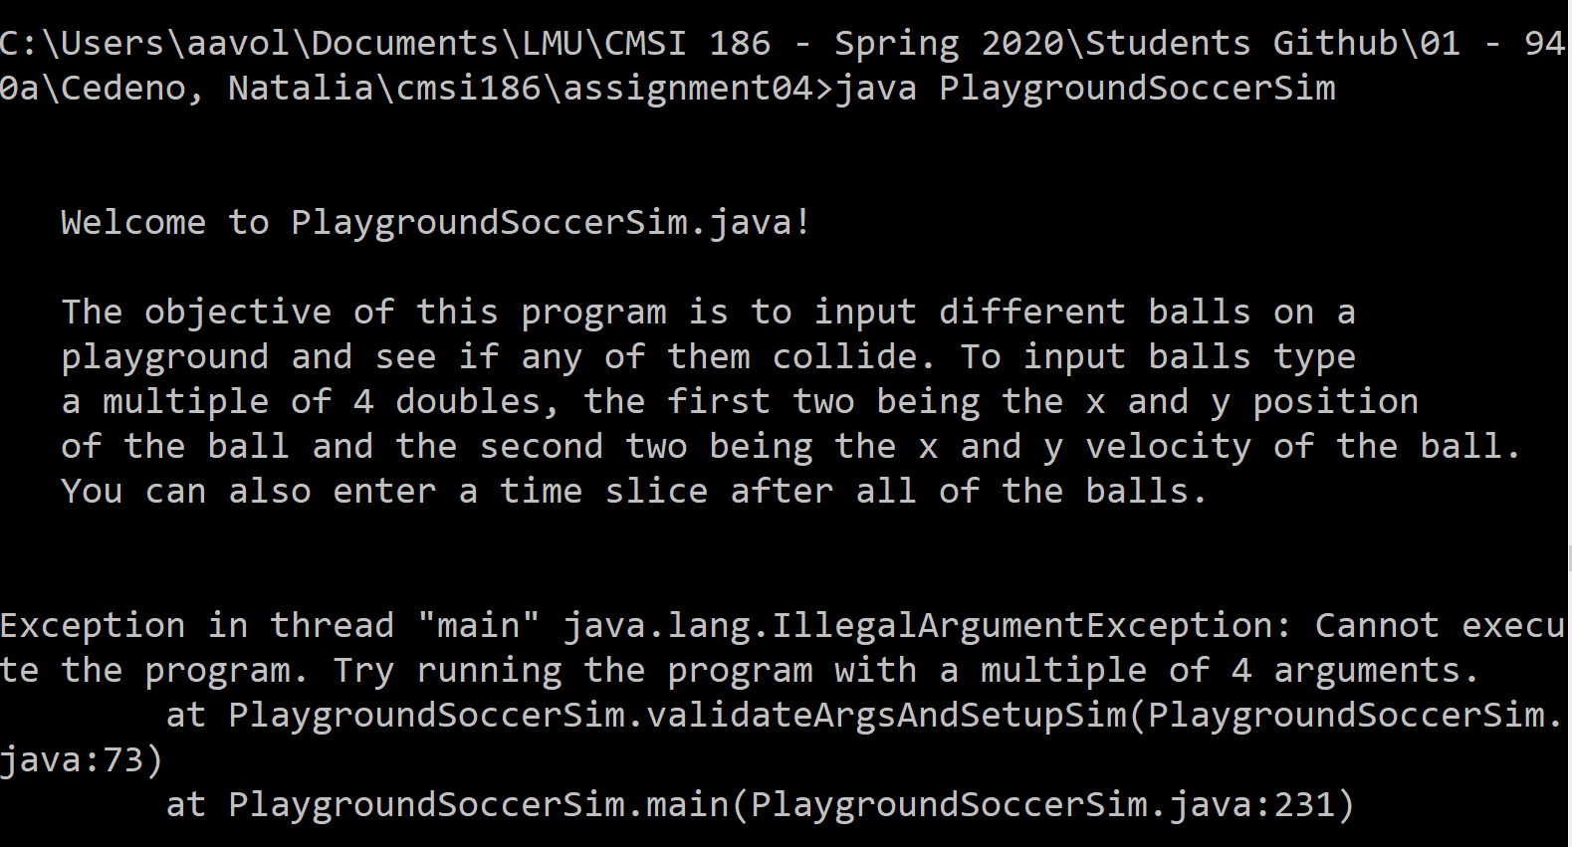
soccerSim

 |  | # | Requirement | Possible Points | Your Value
 | class Clock | 1 | class Clock exists | 1 | 1
 |  | 2 | Clock.java compiles | 1 | 1
 |  | 3 | Clock contains all methods about a clock | 1 | 1
 |  | 4 | Clock contains a method to tick the clock forwards and tracks total seconds or hours, minutes and seconds | 2 | 2
 |  | 5 | Clock correctly converts the total number of seconds passed as hours minutes and seconds | 2 | 2
 |  | 6 | Main method contains ~10 tests for each Clock method | 5 | 1 | MIssing tests
 | class Ball | 1 | class Ball exists | 1 | 1
 |  | 2 | Ball.java compiles | 1 | 1
 |  | 3 | Ball contains all methods about a ball | 1 | 1

 |  | 4 | Out of Bounds
 |  |  | - A method correctly detects if a ball is out of bounds given a playground height and width assuming the center of the playground is at (0,0) | 6 | 6
 |  |  | - A method flags a ball (sets the private instance field) as out of bounds if it is out of bounds | 2 | 2
 |  |  | - A method correctly returns if a ball is out of bounds | 2 | 2

 |  | 5 | At Rest
 |  |  | - A method correctly detects if a ball is at rest, given the size of the playground | 6 | 6
 |  |  | - A method flags the ball (sets the private instance field) as at rest if it is at rest | 2 | 2
 |  |  | - A method correctly returns if a ball is at rest | 2 | 2

 |  | 6 | Speed
 |  |  | - Ball speed is store in an array [x,y] | 2 | 2
 |  |  | - A method correctly returns the speed of a ball as an array | 6 | 6
 |  |  | - A method correctly updates the speed of the ball given a timeslice using the friction formula discussed in class | 8 | 8
 |  |  | (If you use a formula that is diff from the one discussed in class, there is a message to the user in via command prompt)

 |  | 7 | Location
 |  |  | - Ball location is store in an array [x,y] | 2 | 2
 |  |  | - A method correctly returns the location of a ball as an array | 6 | 6
 |  |  | - A method correctly updates the location of the ball given a timeslice using | 8 | 8

 |  | 8 | String
 |  |  | - A method correctly outputs the string representation of the ball including: | 3 | 3
 |  |  | - The location and speed of the ball OR | 2 | 2
 |  |  | - The location and "at rest" OR | 2 | 2
 |  |  | - Out of Bounds | 2 | 2

 |  | 9 | Main method contains ~10 tests for each Ball method | 10 | 10 | Great!
 | class PlaygroundSoccerSim | 1 | class PlaygroundSoccerSim exists | 1 | 1
 |  | 2 | PlaygroundSoccerSim.java compiles | 1 | 1

 |  | 3 | Arguments
 |  |  | - Your program handles initial arguments (are they valid, convert to a diff data type) | 5 | 5
 |  |  | - Your program uses a default of 1.0 second if no timeslice is present | 5 | 5
 |  |  | - Output uses timeslice if present in arguments | 5 | 5

 |  | 4 | Your program outputs an initial message to the user that includes at least:
 |  |  | - the ball radius | 2 | 2
 |  |  | - the playground size | 2 | 2
 |  |  | - the number of balls in play | 2 | 2
 |  |  | - the start time on the clock | 2 | 2
 |  |  | - the time slice | 2 | 2
 |  | 5 | Your program outputs a message after every tick of the clock that includes at least:
 |  |  | - the time on the clock | 2 | 2
 |  |  | - the string representation of each ball including a name or title for the ball (this can be the index ex/ Ball 0) | 2 | 2
 |  |  | - Number of iterations so far | 2 | 2
 |  | 6 | Your program outputs a final message that includes at least:
 |  |  | - the time on the clock | 2 | 2
 |  |  | - The indices of the 2 balls that collided OR | 2 | 2
 |  |  | - A message that the simulation cannot continue because all balls are at rest or out of bounds | 2 | 2
 |  |  | - Total number of iterations in the simulation | 2 | 2

 |  | 7 | Playground SoccerSim works as advertised - all cases in the batch file are handled correctly. (See batch file in GitHub.) | 0 | 0
 |  | 8 | Your program correctly detects a collision between 2 balls and stops the simulation | 12 | 12
 |  | 9 | Your program continues to run if there is at least 1 ball moving and at least one ball in bounds at rest (a moving ball can collide with a stopped ball as long as it is in bounds) | 5 | 5

 | etc | 1 | If your program does something not specified in the assignment, it is clear to the user via a message in the command prompt | 8 | 8
 |  | 2 | All methods that can result in an exception are in a try / catch | 8 | 8
 |  | 3 | All methods that can take in incorrect values, or that cannot be executed under vertain conditions should result in an exception (or end the program) | 8 | 8

 | extra credit | 1 | You ask the user for the radius of the ball. | 1
 |  | 2 | You validate the input for the radius from the user (throw an exception in some cases) | 3
 |  | 3 | You ask the user for the size of the field | 1 | 1
 |  | 4 | You validate the input for the size of the field from the user (throw an exception in some cases) | 3 | 3
 |  |  | Total | 168 | 168

 |  |  | Catch this exception to have total control of what the output looks like instead of the error message seen here

